All IndividualFlowCharts
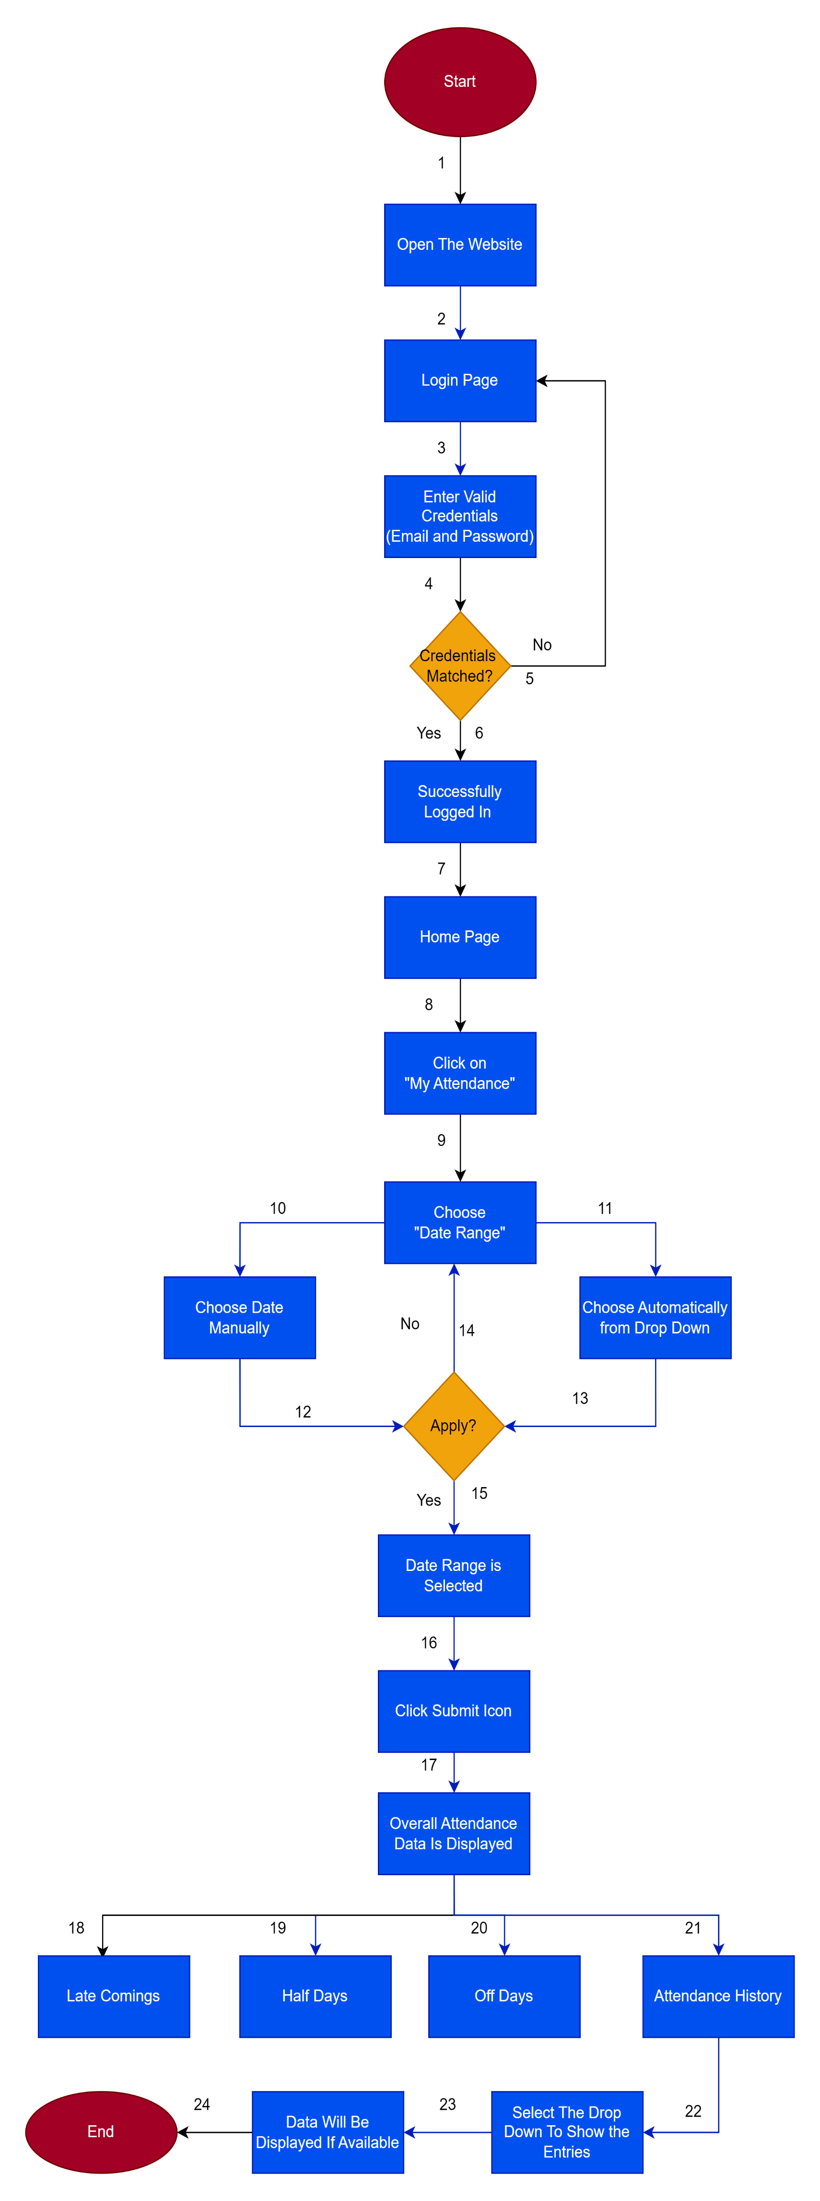
1) DashBoard Flow Chart

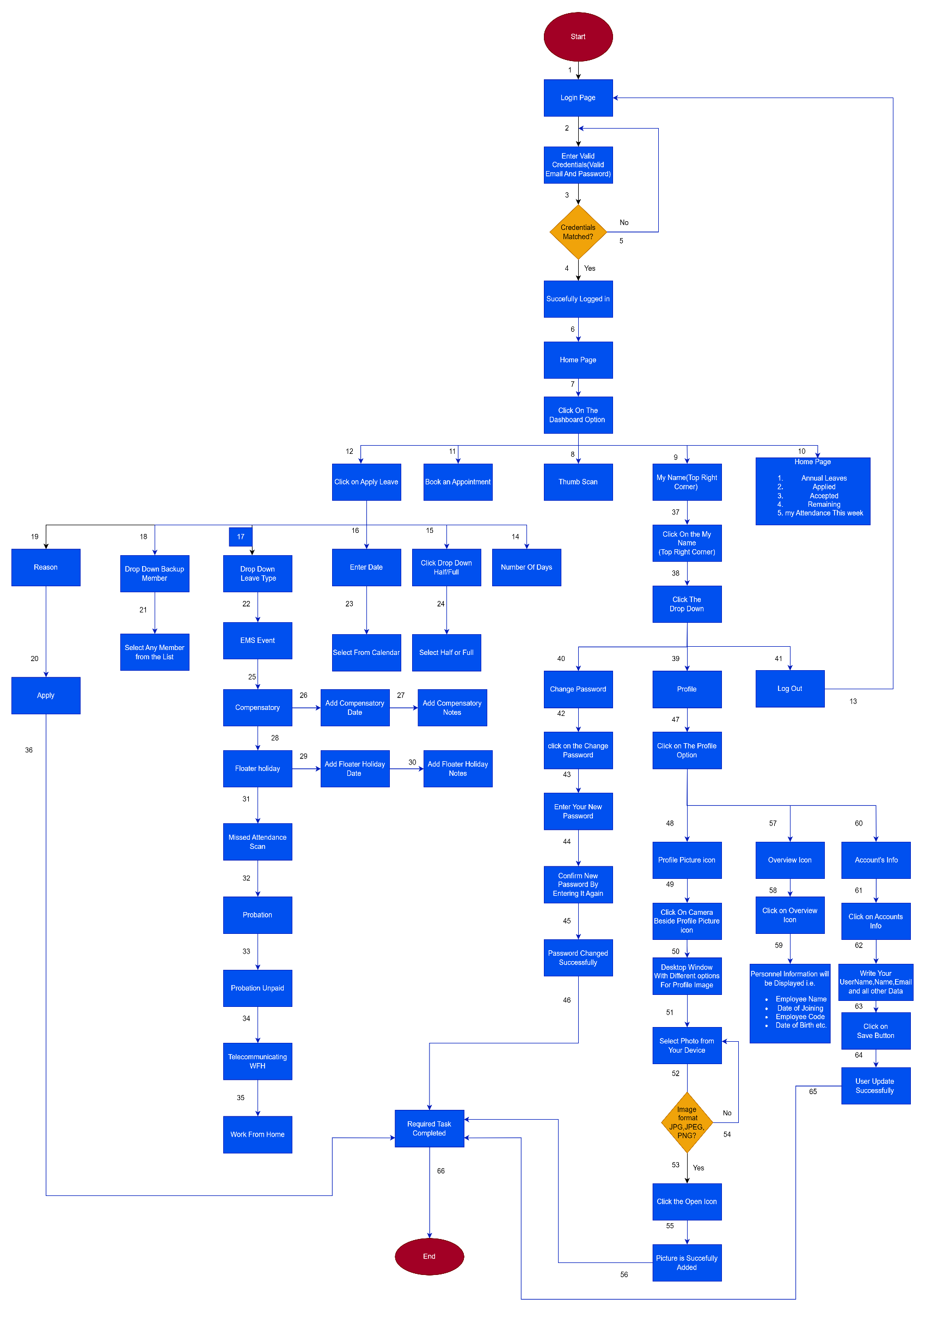

2) Leave Flow Chart

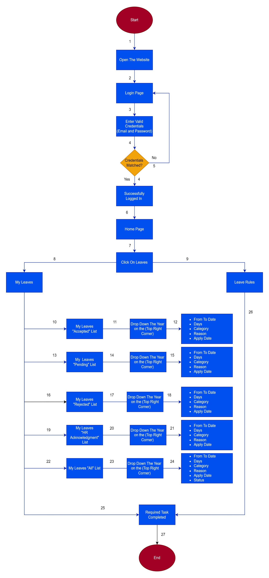

3) Holiday Flow Chart

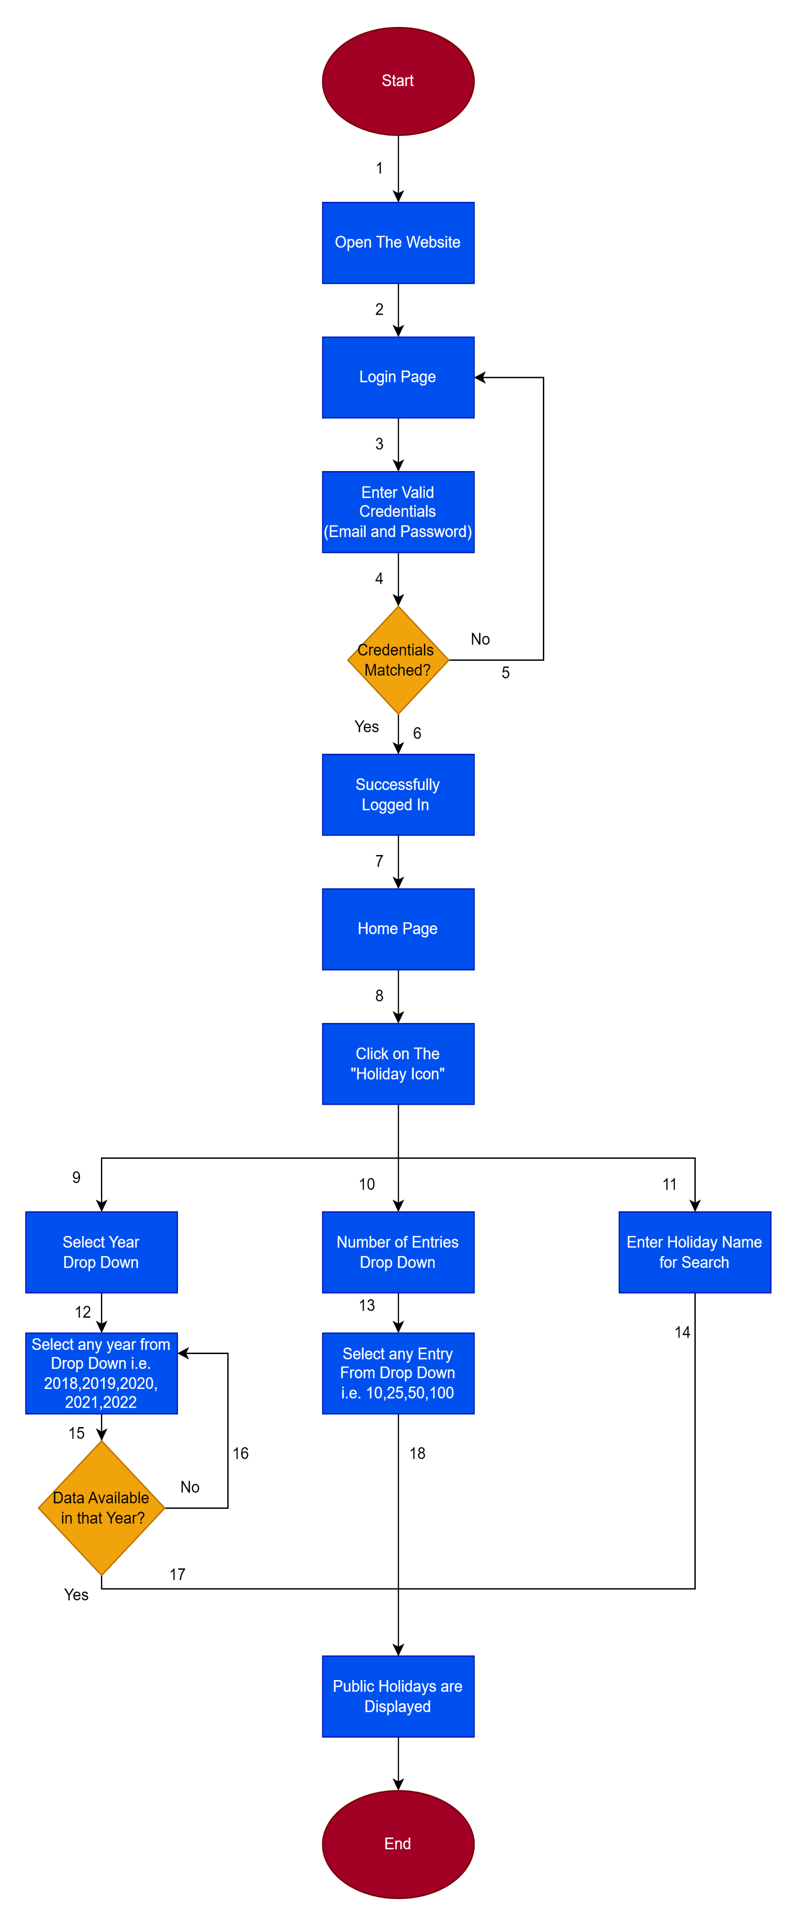

4) My Attendance Flow Chart

OverAll FlowChart
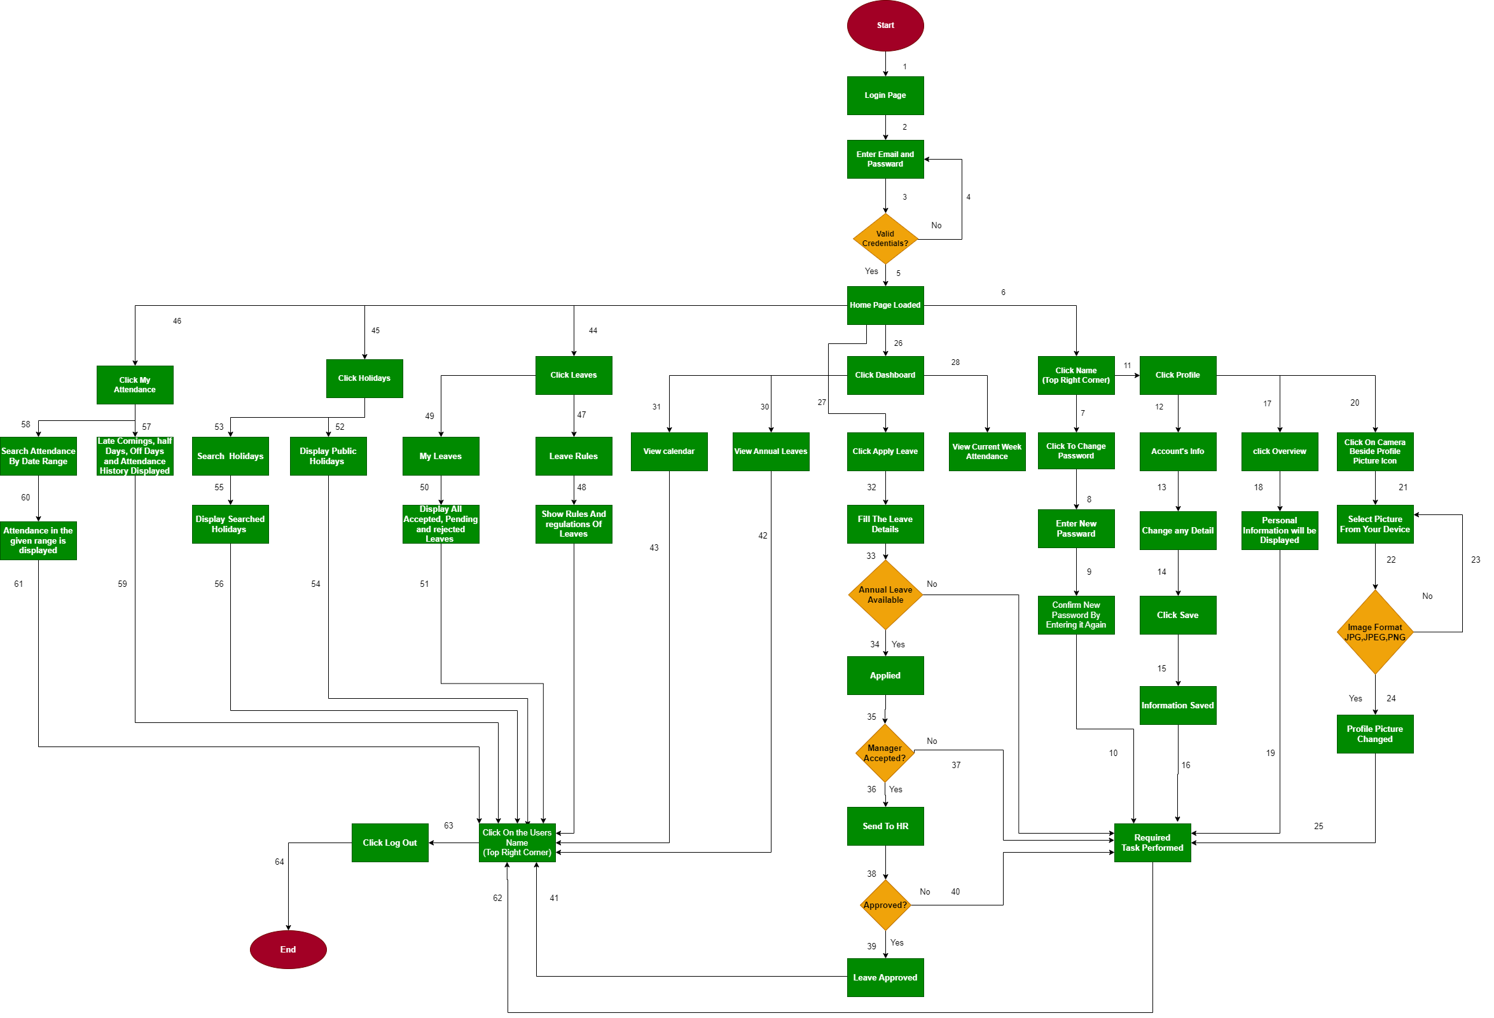
Total Project Flow Chart

Transition State Diagram
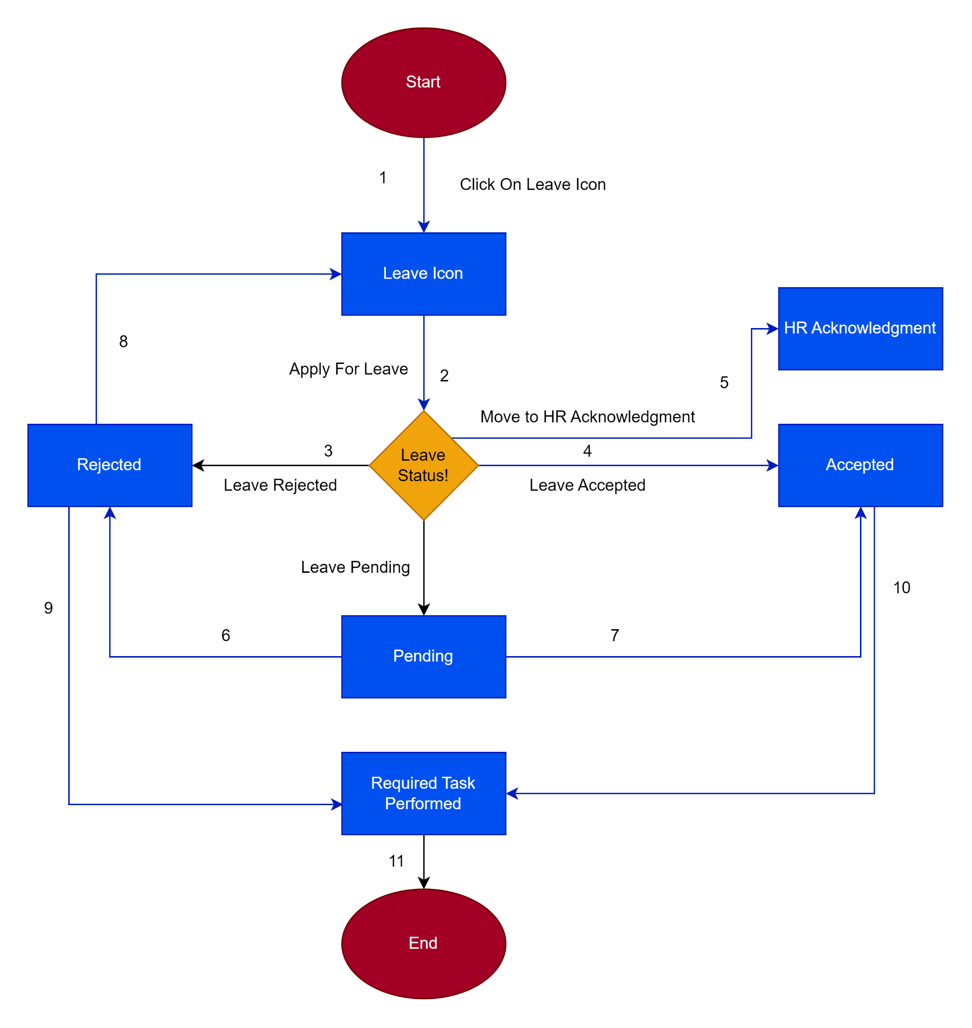
Transition State Diagram Of Leave

Bugs
S.No | Bug Type | Bug Description | Action Performed | Bug Severity | Bug Issue Type | Bug Frequency | Bug Environment | Expected Result | Actual Result | Attachements

1 | Functional Bug | In this bug, User should be able to only enter data fields for which they are made | 1)Open the http://cmdlhrvm54/portal/login 2)Login 3)Click user name on upper right corner then select profile 4)Click personal info. 5)Write the Data and Save it | Medium | Functional | Every Time | All Browsers | User should be able to only enter data fields for which they are made. In name field only String should be allowed. In phone number only numbers should be allowed. In blood group there should be drop down menu to select blood group. | User can enter any data type. | 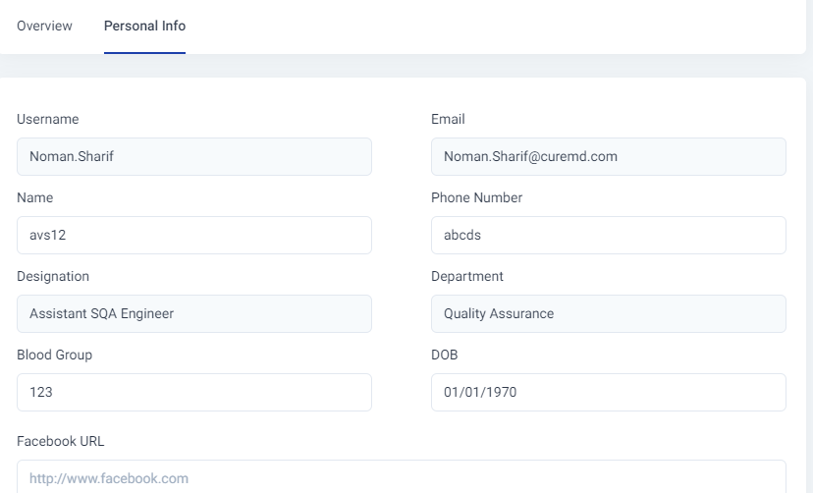
2 | Functional Bug | In this bug, User should be able to change password using forget password functionality | 1)Open the http://cmdlhrvm54/portal/login 2)Try to login and if don’t remember password, look for forget password. | Medium | Functional | Every Time | All Browsers | User should be able to recover password using forget password functionality | Forget password not available | 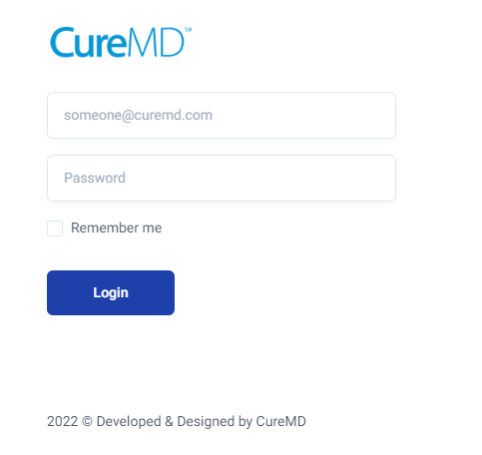
3

